Encounter
Experience | Base: 90 EXP | Weighted: 180 EXP | 11 EXP/Character | Long Rest | Sort Initiatives | Generate Loot | Clear Defeated Enemies
 | Average CR 0, Difficulty Trivial |  | Award EXP
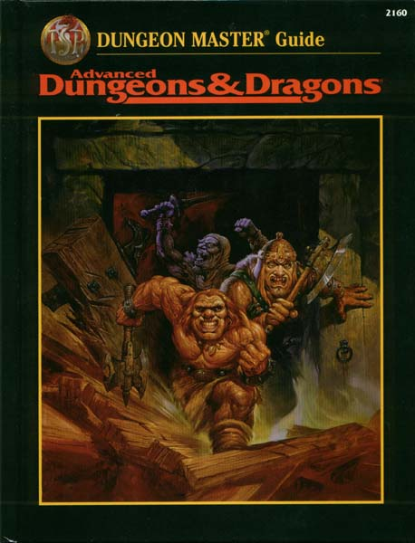
Creature | # | Initiative | Concentration | HP Max | Wound | Condition | Size | AC | Initiative Modifier | CR | Unweighted EXP Value | Source
Rat | 4 | 20 |  | 2 |  |  | Tiny beast | 10 | 0 | 0 | 10 EXP | Monster Manual
Rat | 2 | 18 |  | 1 |  |  | Tiny beast | 10 | 0 | 0 | 10 EXP | Monster Manual
Giant Rat | 2 | 16 |  | 10 |  |  | Small beast | 12 | 2 | 1/8 | 25 EXP | Monster Manual
Giant Rat | 1 | 12 |  | 9 |  |  | Small beast | 12 | 2 | 1/8 | 25 EXP | Monster Manual
Rat | 3 | 7 |  | 3 |  |  | Tiny beast | 10 | 0 | 0 | 10 EXP | Monster Manual
Rat | 1 | 5 |  | 1 |  |  | Tiny beast | 10 | 0 | 0 | 10 EXP | Monster Manual
Dagga | - |  |  | 67 |  |  | Medium Humanoid | 15 | 3 | - | - | -
Ed | - |  |  | 97 |  |  | Medium Humanoid | 15 | 3 | - | - | -
Gaffa | - |  |  | 34 |  |  | Medium Humanoid | 18 | 3 | - | - | -
Broug | - |  |  | 111 |  |  | Small Humanoid | 17 | 2 | - | - | -
Jocasta | - |  |  | 34 |  |  | Medium Humanoid | 14 | 2 | - | - | -
Capt. | - |  |  | 45 |  |  | Medium Humanoid | 17 | 1 | - | - | -
Irridin | - |  |  | 55 |  |  | Medium Humanoid | 10 | 1 | - | - | - | Options
Adel | - |  |  | 32 |  |  | Medium Fey | 10 | 0 | - | - | - | Award Weighted EXP | FALSE
 |  |  |  |  |  |  |  |  |  |  |  |  | Auto Roll NPC Initiative | TRUE
 |  |  |  |  |  |  |  |  |  |  |  |  | Auto Roll Player Initiative | FALSE
 |  |  |  |  |  |  |  |  |  |  |  |  | Auto Roll Creature HP | TRUE

Xanathar's Encounter Builder
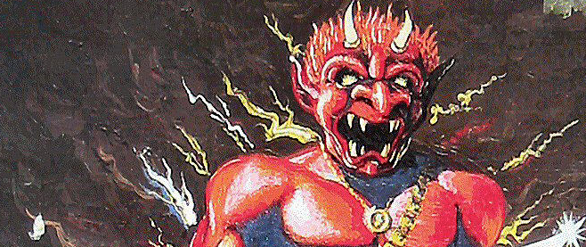
 |  | CR
Player | Level | 1/8 | 1/4 | 1/2 | 1 | 2 | 3 | 4 | 5 | 7 | 8 | 9 | 10 | 11 | 12 | 13 | 14 | 15 | 16 | 17 | 18 | 19 | 20
Adel | 5 | 12 | 8 | 4 | 2 | 1 | 1/2 | 1/3 | 1/5 | 1/6 | 0 | 0 | 0 | 0 | 0 | 0 | 0 | 0 | 0 | 0 | 0 | 0 | 0
Broug | 1 | 2 | 1 | 1/3 | 1/5 | 0 | 0 | 0 | 0 | 0 | 0 | 0 | 0 | 0 | 0 | 0 | 0 | 0 | 0 | 0 | 0 | 0 | 0
Capt. | 3 | 5 | 2 | 1 | 1/2 | 1/4 | 1/6 | 0 | 0 | 0 | 0 | 0 | 0 | 0 | 0 | 0 | 0 | 0 | 0 | 0 | 0 | 0 | 0
Dagga | 11 | 12 | 12 | 12 | 6 | 3 | 2 | 1 | 1/2 | 1/2 | 1/2 | 1/3 | 1/4 | 1/5 | 1/6 | 0 | 0 | 0 | 0 | 0 | 0 | 0 | 0
Ed | 13 | 12 | 12 | 12 | 9 | 4 | 2 | 2 | 1 | 1 | 1/2 | 1/2 | 1/3 | 1/3 | 1/4 | 1/5 | 1/6 | 0 | 0 | 0 | 0 | 0 | 0

Gaffa | 5 | 12 | 8 | 4 | 2 | 1 | 1/2 | 1/3 | 1/5 | 1/6 | 0 | 0 | 0 | 0 | 0 | 0 | 0 | 0 | 0 | 0 | 0 | 0 | 0

Irridin | 4 | 8 | 4 | 2 | 1 | 1/2 | 1/4 | 1/6 | 0 | 0 | 0 | 0 | 0 | 0 | 0 | 0 | 0 | 0 | 0 | 0 | 0 | 0 | 0
Jocasta | 10 | 12 | 12 | 10 | 5 | 2 | 1 | 1 | 1/2 | 1/2 | 1/3 | 1/4 | 1/5 | 1/6 | 0 | 0 | 0 | 0 | 0 | 0 | 0 | 0 | 0

 |  | 1/8 |  | 1/4 |  | 1/2 |  | 1 |  | 2 |  | 3 |  | 4 |  | 5 |  | 7 |  | 8 |  | 9 |  | 10 | 11 | 12 | 13 | 14 | 15 | 16 | 17 | 18 | 19 | 20
Party |  | 75.00 |  | 59.00 |  | 45.33 |  | 25.70 |  | 11.75 |  | 6.42 |  | 4.83 |  | 2.40 |  | 2.33 |  | 1.33 |  | 1.08 |  | 0.78 | 0.70 | 0.42 | 0.20 | 0.17 | 0.00 | 0.00 | 0.00 | 0.00 | 0.00 | 0.00
Creatures |  | 0.00 |  | 0.00 |  | 0.00 |  | 0.00 |  | 0.00 |  | 0.00 |  | 0.00 |  | 0.00 |  | 0.00 |  | 0.00 |  | 0.00 |  | 0.00 | 0.00 | 0.00 | 0.00 | 0.00 | 0.00 | 0.00 | 0.00 | 0.00 | 0.00 | 0.00
Remaining Available |  | 75.00 |  | 59.00 |  | 45.33 |  | 25.70 |  | 11.75 |  | 6.42 |  | 4.83 |  | 2.40 |  | 2.33 |  | 1.33 |  | 1.08 |  | 0.78 | 0.70 | 0.42 | 0.20 | 0.17 | 0.00 | 0.00 | 0.00 | 0.00 | 0.00 | 0.00

Creature |  |  |  |  | # |  | CR |  |  | Individual EXP |  |  |  |  | Group EXP |  |  |  |  | % of Total
Rat |  |  |  |  | 4 |  | - |  |  | - |  |  |  |  | - |  |  |  |  | -
Giant Rat |  |  |  |  | 2 |  | - |  |  | - |  |  |  |  | - |  |  |  |  | -
 |  |  |  |  |  |  | - |  |  | - |  |  |  |  | - |  |  |  |  | -
 |  |  |  |  |  |  | - |  |  | - |  |  |  |  | - |  |  |  |  | -
 |  |  |  |  |  |  | - |  |  | - |  |  |  |  | - |  |  |  |  | -
 |  |  |  |  |  |  | - |  |  | - |  |  |  |  | - |  |  |  |  | -
 |  |  |  |  |  |  | - |  |  | - |  |  |  |  | - |  |  |  |  | -
 |  |  |  |  |  |  | - |  |  | - |  |  |  |  | - |  |  |  |  | -
 |  |  |  |  |  |  | - |  |  | - |  |  |  |  | - |  |  |  |  | -
 |  |  |  |  |  |  | - |  |  | - |  |  |  |  | - |  |  |  |  | -
 |  |  |  |  |  |  | - |  |  | - |  |  |  |  | - |  |  |  |  | -
 |  |  |  |  |  |  | - |  |  | - |  |  |  |  | - |  |  |  |  | -
 |  |  |  |  |  |  | - |  |  | - |  |  |  |  | - |  |  |  |  | -
 |  |  |  |  |  |  | - |  |  | - |  |  |  |  | - |  |  |  |  | -
 |  |  |  |  |  |  | - |  |  | - |  |  |  |  | - |  |  |  |  | -
 |  |  |  |  |  |  | - |  |  | - |  |  |  |  | - |  |  |  |  | -
 |  |  |  |  |  |  | - |  |  | - |  |  |  |  | - |  |  |  |  | -
 |  |  |  |  |  |  | - |  |  | - |  |  |  |  | - |  |  |  |  | -
 |  |  |  |  |  |  | - |  |  | - |  |  |  |  | - |  |  |  |  | -
 |  |  |  |  |  |  | - |  |  | - |  |  |  |  | - |  |  |  |  | -
 |  |  |  |  |  |  | - |  |  | - |  |  |  |  | - |  |  |  |  | -
 |  |  |  |  |  |  | - |  |  | - |  |  |  |  | - |  |  |  |  | -
 |  |  |  |  |  |  | - |  |  | - |  |  |  |  | - |  |  |  |  | -
 |  |  |  |  |  |  | - |  |  | - |  |  |  |  | - |  |  |  |  | -
 |  |  |  |  |  |  | - |  |  | - |  |  |  |  | - |  |  |  |  | -
 |  |  |  |  |  |  | - |  |  | - |  |  |  |  | - |  |  |  |  | -
 |  |  |  |  |  |  | - |  |  | - |  |  |  |  | - |  |  |  |  | -
 |  |  |  |  |  |  | - |  |  | - |  |  |  |  | - |  |  |  |  | -
 |  |  |  |  |  |  | - |  |  | - |  |  |  |  | - |  |  |  |  | -
 |  |  |  |  |  |  | - |  |  | - |  |  |  |  | - |  |  |  |  | -

